Лист1
 |  |  |  |  |  |  | item = 7

arr = | 1 | 2 | 3 | 4 | 5 | 6 | 7 | 8 | 9

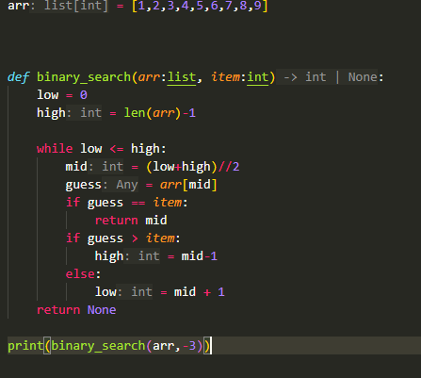
 |  |  |  |  |  |  |  |  |  | 1 |  |  |  |  | guess | item
 |  |  |  |  |  |  |  |  |  |  | 1 | 2 | 3 | 4 | 5 | 6 | 7 | 8 | 9
 |  |  |  |  |  |  |  |  |  |  | 0 | 1 | 2 | 3 | 4 | 5 | 6 | 7 | 8
 |  |  |  |  |  |  |  |  |  |  | low |  |  |  | mid |  |  |  | high

 |  |  |  |  |  |  |  |  |  |  | guess |  | item
 |  |  |  |  |  |  |  |  |  |  | 5 | < | 6 | Меньше

 |  |  |  |  |  |  |  |  |  | 2 |  |  |  |  |  | item | guess
 |  |  |  |  |  |  |  |  |  |  | 1 | 2 | 3 | 4 | 5 | 6 | 7 | 8 | 9
 |  |  |  |  |  |  |  |  |  |  | 0 | 1 | 2 | 3 | 4 | 5 | 6 | 7 | 8
 |  |  |  |  |  |  |  |  |  |  |  |  |  |  |  | low | mid |  | high

 |  |  |  |  |  |  |  |  |  |  | guess |  | item
 |  |  |  |  |  |  |  |  |  |  | 7 | == | 6 | БОЛЬШЕ

 |  |  |  |  |  |  |  |  |  | 3 |  |  |  |  |  | guess
 |  |  |  |  |  |  |  |  |  |  |  |  |  |  |  | item
 |  |  |  |  |  |  |  |  |  |  | 1 | 2 | 3 | 4 | 5 | 6 | 7 | 8 | 9
 |  |  |  |  |  |  |  |  |  |  | 0 | 1 | 2 | 3 | 4 | 5 | 6 | 7 | 8
 |  |  |  |  |  |  |  |  |  |  |  |  |  |  |  | low
 |  |  |  |  |  |  |  |  |  |  |  |  |  |  |  | high
 |  |  |  |  |  |  |  |  |  |  | guess |  | item |  |  | mid
 |  |  |  |  |  |  |  |  |  |  | 7 | == | 6 | БОЛЬШЕ

